EXAMPLE1
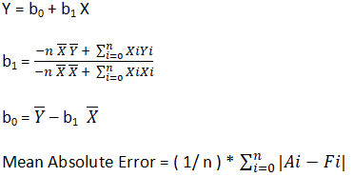
X | Y |  |  |  | Y'
1.00 | 1.00 | 1 | 1 |  | 1.21 | 0.21
2.00 | 2.00 | 4 | 4 |  | 1.635 | 0.365
3.00 | 1.30 | 3.9 | 9 |  | 2.06 | 0.76
4.00 | 3.75 | 15 | 16 |  | 2.485 | 1.265
5.00 | 2.25 | 11.25 | 25 |  | 2.91 | 0.66
3.00 | 2.06 | 35.15 | 55 |  | E= | 0.652
6.00 | ? |  |  | 2.683 | 3.335 | 3.987

b1= | 4.25 | 0.425
 | 10

b0= | 0.785

y=0,785+0,425x

